818246BE
INSPECTION CHECK LIST |  |  |  |  |  |  |  |  |  |  |  |  |  |  | #NAME?
Forward completed forms to QA Daily |  |  |  |  |  |  |  |  |  |  |  |  |  |  |  |  | LEGEND
Issue |  | 1.0 | Inspection Date: |  |  | Start Time |  |  | Production Qty |  |  |  | Scrap Qty |  |  |  | OK |  | ü
Date Revised |  | 9-Jun-26 | (1 Sheet per Day) |  |  | Finish Time |  |  |  |  |  |  |  |  |  |  | Not OK |  | X
Issued by |  | Drawing/Issue Date |  |  | Plant |  |  | PCP/Part No. |  |  |  |  | Part Name
Greg Steenvoorden |  | WAG-12H-0006322.0002 |  |  | Press Brake |  |  | 818246BE |  |  |  |  | BRACKET - STRTR CBL ( S27HD )
Inspection Frequency : At Setup / Hourly
OP NO | FIRST OFF APPR | CHECKS |  | LIMITS |  | GAUGE No | GAUGE DATE | 1 | 2 | 3 | 4 | 5 | 6 | 7 | 8 | 9 | 10 | 11 | 12
 | (Die Setter Sign) |  |  |  |  |  | (Die Setter)
20 |  | Check part to Reference sample |  | Reference Sample |  | Visual
 |  | Ensure 1 x bend at 90 Deg |  | +/- 1 deg |  | Protractor
 |  | Ensure 1 x bend at 50 Deg |  | +/- 1 deg |  | Protractor
 |  | Check Dimension 34mm |  | +/- 0.5mm |  | Vernier
 |  | Check Dimension 128.7mm |  | +/- 0.5mm |  | Vernier
 |  | Ensure No Harmfull Burrs sharp edges, micro join dags Etc. |  | SOP 008 |  | Visual
Note! Ensure Part is bent in the correct direction.
NO RUST ON SURFACES.
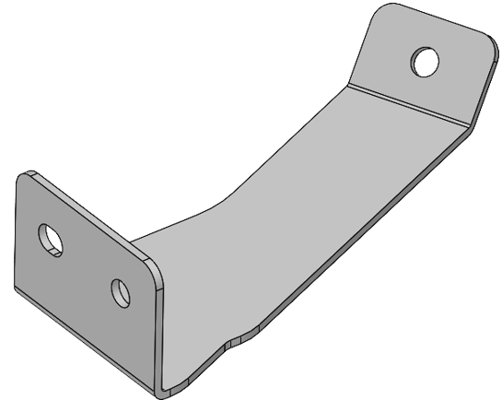 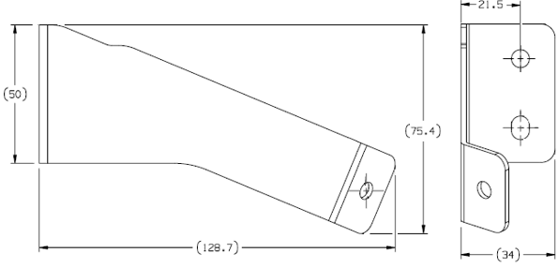
TIME SAMPLED
SAFETY GUARD CHECKED / COUNTER BALANCE AIR PRESSURE CHECKED
OPERATOR NAME: |  |  |  |  |  | OPERATOR
LEADING HAND CHECK PRODUCTION VERIFIED (Once Daily)

VERIFIED BY: SIGNATURE: DATE: / /

